1. Title Page
Instacart Basket Analysis

Project Name: Instacart Basket Analysis
Date: 07/03/2025
Analyst Name: Alfredo Rivas Suarez

Contents:
Population Flow
Consistency checks
Wrangling steps
Column derivations
Visualizations
Recommendations

2. Project Details
Project Overview:

3. Population Flow
Title page

Population flow

Exclusion flag
Condition: max_order < 5 Low Frequent Customers
Obervations to be removed: 1440295
Final total count of order_products_all: 30964564

Orders_products_combined
Orders_products_merged
Orders_products_all

Total: 32404859
Total: 32434489
Total: 30964564

4. Consistency checks
 |  |  |  | Title page
Consistency checks

Dataset | Missing values | Missing values treatment | Duplicates
orders | 206209 | Do nothing, these values represent new customers | 0
products | 16 | Drop these values, | 0
orders_products_prior | 0 | Do nothing | 0
customers | 11259 | Do nothing, these values do not impact the analysis | 0

5. Wrangling steps
 |  |  |  | Title page
Wrangling steps

Columns dropped | Columns renamed | Columns' type changed | Comment/Reason
eval_set |  |  | the column eval_set will be removed from the original dataset as it is no longer necessary.
 |  | user_id into string | Both "order_id" and "user_id" do not represent real numeric values but rather keys related to specific orders and users.
 |  | order_id | Both "order_id" and "user_id" do not represent real numeric values but rather keys related to specific orders and users.
 | order_dow |  | The column order_dow wil be changed into orders_day_of_week

6. Column derivations
 |  |  |  | Title page

Column derivations and aggregations

Dataset | New column | Column/s it was derived from | Conditions
ords_prods_merge | price_range | prices | if row['prices'] <= 5: return 'Low-range product' elif (row['prices'] > 5) and (row['prices'] <= 15): return 'Mid-range product' elif row['prices'] > 15: return 'High range' else: return 'Not enough data'
ords_prods_merge | busiest_day | order_dow | for value in df["order_dow"]: if value == 0: result.append("Busiest day") elif value == 4: result.append("Least busy") else: result.append("Regularly busy")
ords_prods_merge | busiest_days | order_dow | result = [] for value in df_ords_prods_merge["order_dow"]: if value == 0 or value == 1: result.append("Busiest day") elif value == 3 or value == 4: result.append("Least busy") else: result.append("Regularly busy")
ords_prods_merge | busiest_period_of_day | order_hour_of_day | df_ords_prods_merge.loc[df_ords_prods_merge['order_hour_of_day'].isin([10, 11]), 'busiest_period_of_day'] = 'Most orders' df_ords_prods_merge.loc[df_ords_prods_merge['order_hour_of_day'].isin([3, 4]), 'busiest_period_of_day'] = 'Fewest orders' df_ords_prods_merge.loc[df_ords_prods_merge['busiest_period_of_day'].isna(), 'busiest_period_of_day'] = 'Average orders'
cust_ords_prods_merge_ | region | State | df.loc[df['State'].isin(['Maine', 'New Hampshire', 'Vermont', 'Massachusetts', 'Rhode Island', 'Connecticut', 'New York', 'Pennsylvania', 'New Jersey']), 'region'] = 'Northeast' df.loc[df['State'].isin(['Wisconsin', 'Michigan', 'Illinois', 'Indiana', 'Ohio', 'North Dakota', 'South Dakota', 'Nebraska', 'Kansas', 'Minnesota', 'Iowa', 'Missouri']), 'region'] = 'Midwest' df.loc[df['State'].isin(['Delaware', 'Maryland', 'District of Columbia', 'Virginia', 'West Virginia', 'North Carolina', 'South Carolina', 'Georgia', 'Florida', 'Kentucky', 'Tennessee', 'Mississippi', 'Alabama', 'Oklahoma', 'Texas', 'Arkansas', 'Louisiana']), 'region'] = 'South' df.loc[df['State'].isin(['Idaho', 'Montana', 'Wyoming', 'Nevada', 'Utah', 'Colorado', 'Arizona', 'New Mexico', 'Alaska', 'Washington', 'Oregon', 'California', 'Hawaii']), 'region'] = 'West'
low_activity_excluded | Age_Profile | Age | df_no_low.loc[df_no_low['Age'] <= 25, 'Age_Profile'] = 'Young' df_no_low.loc[(df_no_low['Age'] > 25) & (df_no_low['Age'] <= 45), 'Age_Profile'] = 'Adult' df_no_low.loc[(df_no_low['Age'] > 45) & (df_no_low['Age'] <= 65), 'Age_Profile'] = 'Middle aged' df_no_low.loc[df_no_low['Age'] > 65, 'Age_Profile'] = 'Senior'
low_activity_excluded | Salary_Profile | income | df_no_low.loc[df_no_low['income'] <= 40000, 'Salary_Profile'] = 'low salary' df_no_low.loc[(df_no_low['income'] > 40000) & (df_no_low['income'] <= 100000), 'Salary_Profile'] = 'middle salary' df_no_low.loc[df_no_low['income'] > 100000, 'Salary_Profile'] = 'high salary'
low_activity_excluded | dependants_profile | dependants | df_no_low.loc[df_no_low['dependants'] == 0, 'dependants_profile'] = 'No Dependants' df_no_low.loc[df_no_low['dependants'] >= 1, 'dependants_profile'] = 'Has Dependants'

7. Visualizations
Visualisations


 | order_hour_of_day
 | 10 2761760
 | 11 2736140
 | 14 2689136
 | 15 2662144
 | 13 2660954
 | 12 2618532
This Histogram shows the hour of the day customers are placing they orders
 | 16 2535202
 | 9 2454203
 | 17 2087654
 | 8 1718118
 | 18 1636502
 | 19 1258305
 | 20 976156
 | 7 891054
 | 21 795637
 | 22 634225
 | 23 402316
 | 6 290493
 | 0 218769
 | 1 115700
 | 5 87961
 | 2 69375
 | 4 53242
4.9 Part 2 Question 3 | 3 51281

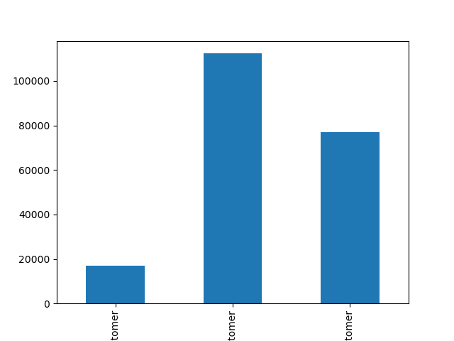

Distribution of orders among customers in terms of loyalty
 | loyalty_flag
 | Loyal customer 17017
 | New customer 112328
 | Regular customer 76864

4.9 Part 2 Question 4

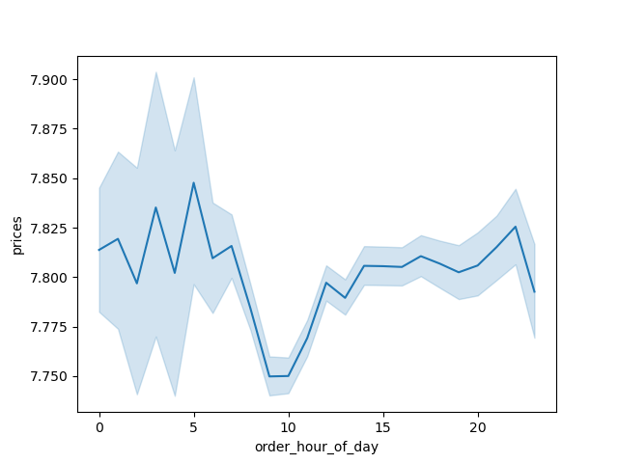

Difference in expenditure (the “prices” column) depending on the hour of the day
 | The line chart indicates that around 10:00, order prices are the lowest compared to all other hours.

4.9 Part 2 Question 5
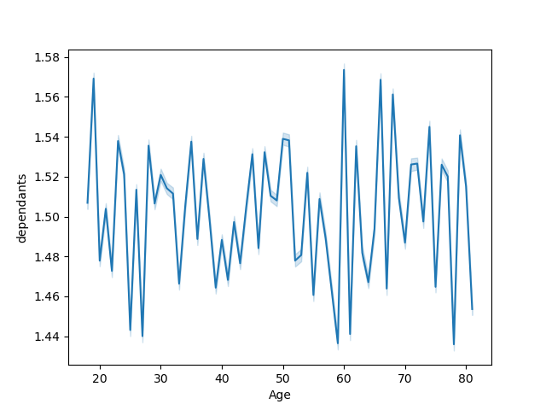

Connection between age and family situation
 |  | There appears to be no clear connection between age and the number of dependants.

4.9 Part 2 Question 6



Connection between age and spending power (income)
 |  | Customers start having an income higher than 40,000 only after the age of 40.

4.9 Part 2 Question 7

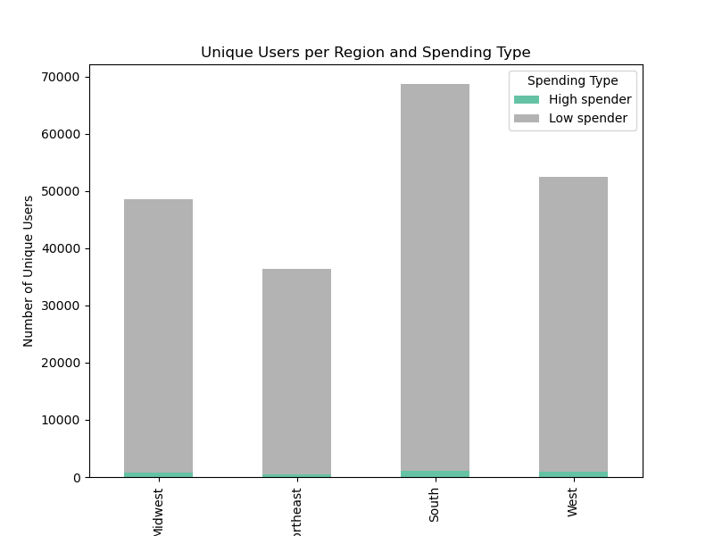

Difference in spending habits between the different U.S. regions
 |  |  | spending_type | High spender | Low spender
 |  |  | region
 |  |  | Midwest | 802 | 47717
 |  |  | Northeast | 545 | 35843
 |  |  | South | 1145 | 67592
 |  |  | West | 903 | 51662

4.10 Part 1 Question 3
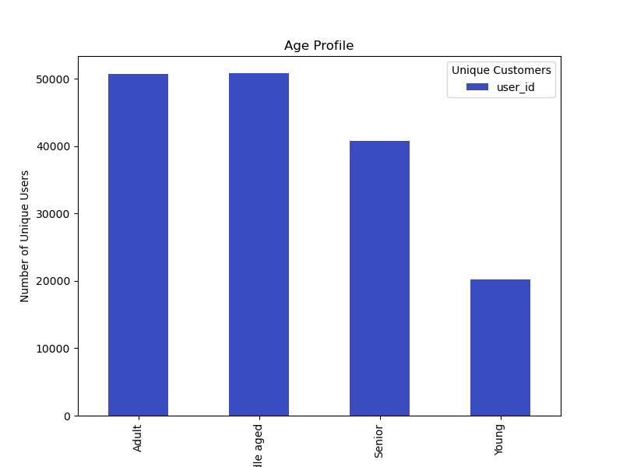

Profiling variable based on age for more-relevant marketing strategies for different products
 |  |  | Age_Profile
 |  |  | Adult 50799
 |  |  | Middle aged 50866
 |  |  | Senior 40769
 |  |  | Young 20197

4.10 Part 1 Question 5
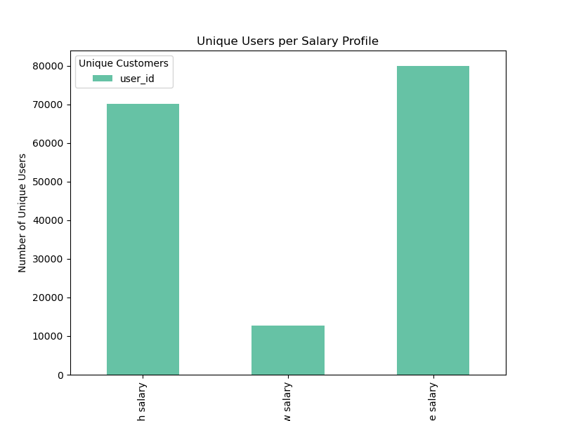

Profiling variable based on Income for more-relevant marketing strategies for different products
 |  |  | Salary_Profile
 |  |  | high salary 70080
 |  |  | low salary 12625
 |  |  | middle salary 79926

4.10 Part 1 Question 5

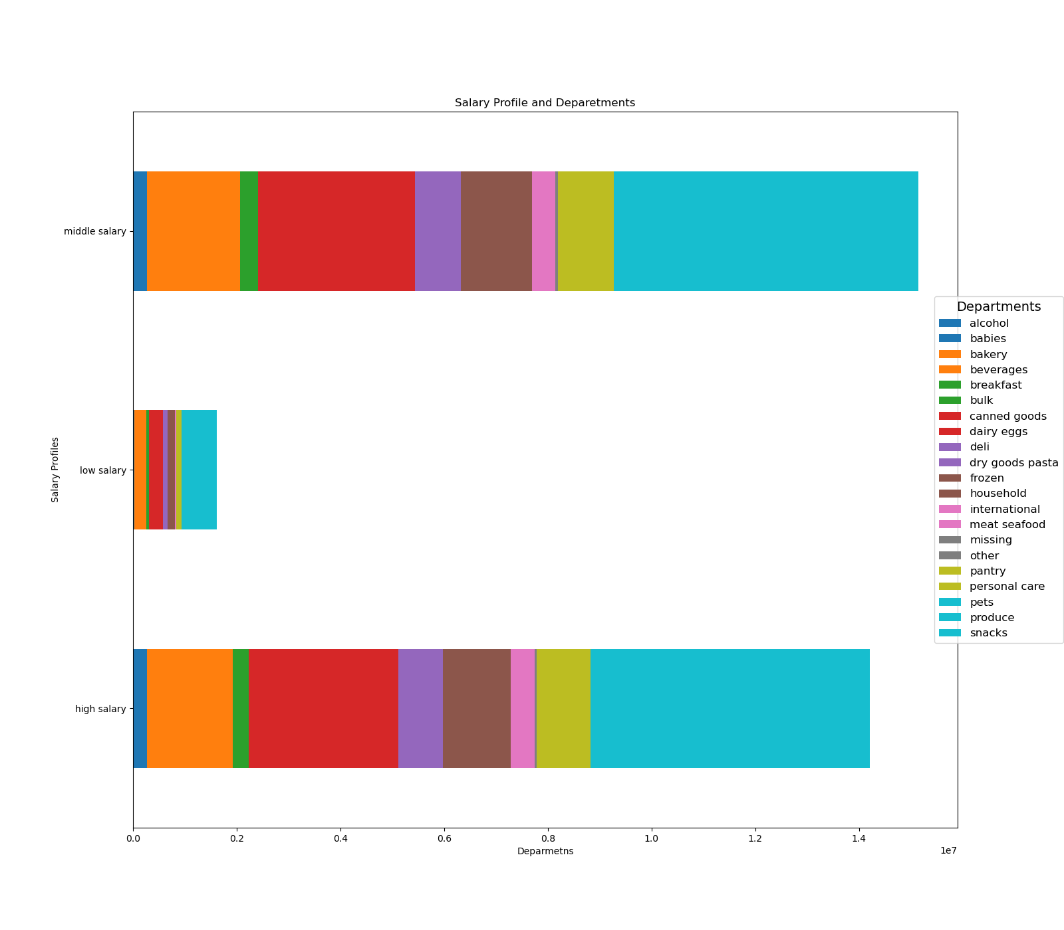

Income Profile vs Department

4.10 Part 1 Question 5

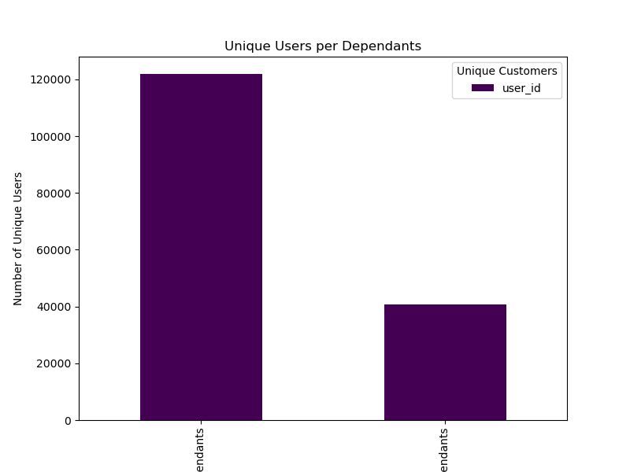

Profiling variable based on dependants for more-relevant marketing strategies for different products
 |  |  |  | dependants_profile
 |  |  |  | Has Dependants 121904
 |  |  |  | No Dependants 40727

4.10 Part 1 Question 5

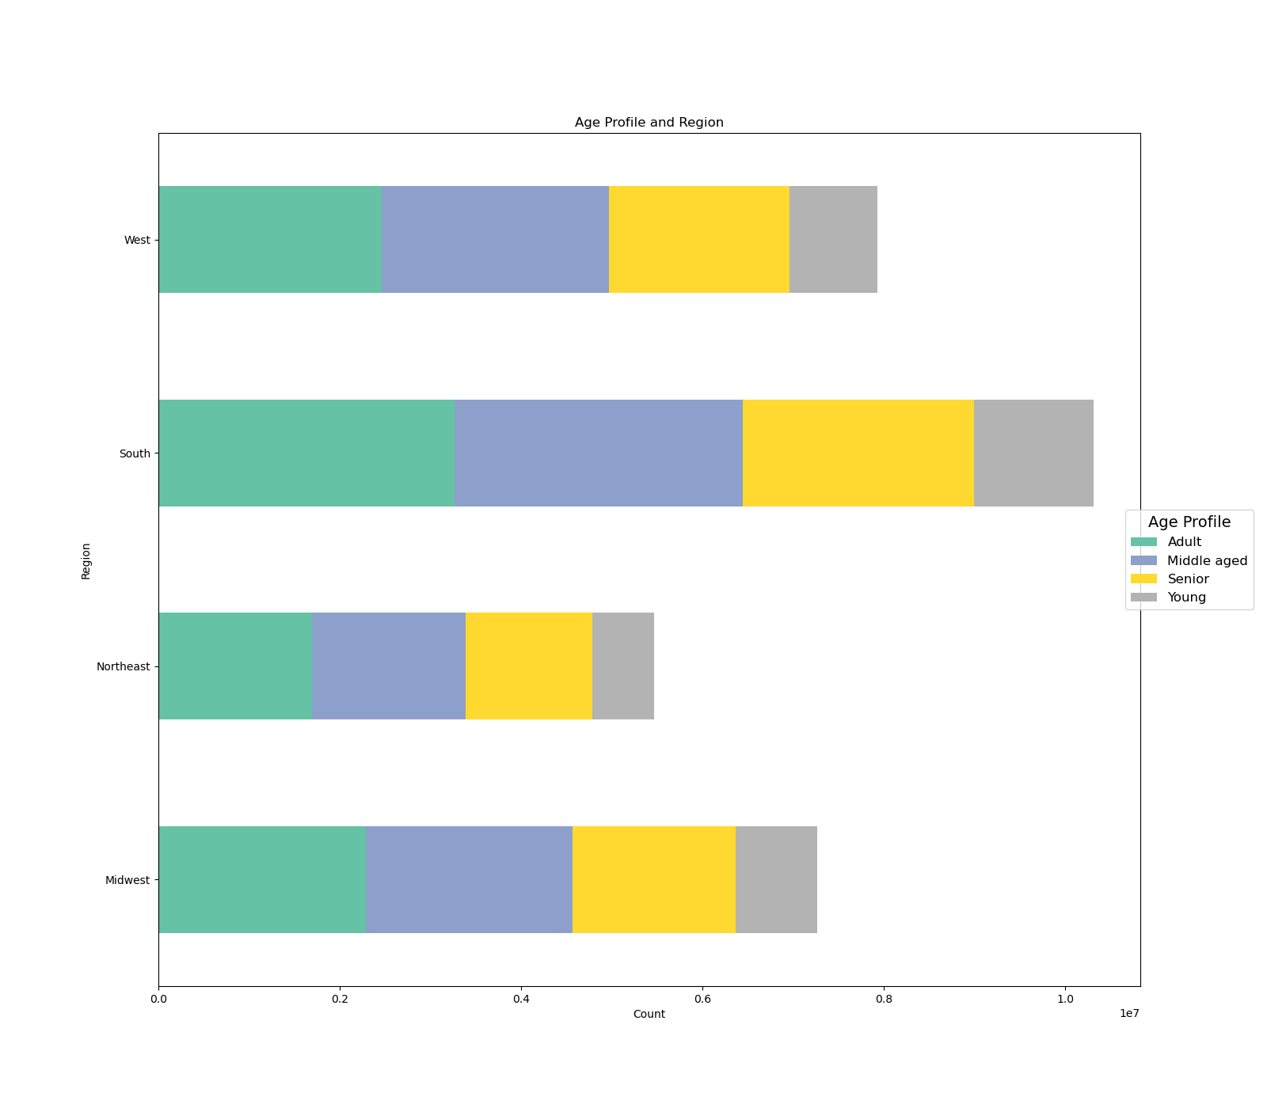

Different behaviors across regions and departments based of customer profiles
 |  |  |  | Age_Profile | Adult | Middle aged | Senior | Young
 |  |  |  | region
 |  |  |  | Midwest | 2286075 | 2277677 | 1799606 | 898155
 |  |  |  | Northeast | 1693019 | 1697267 | 1394490 | 679909
 |  |  |  | South | 3261271 | 3185845 | 2549034 | 1314989
 |  |  |  | West | 2462174 | 2505884 | 1987704 | 971465

4.10 Part 1 Question 8

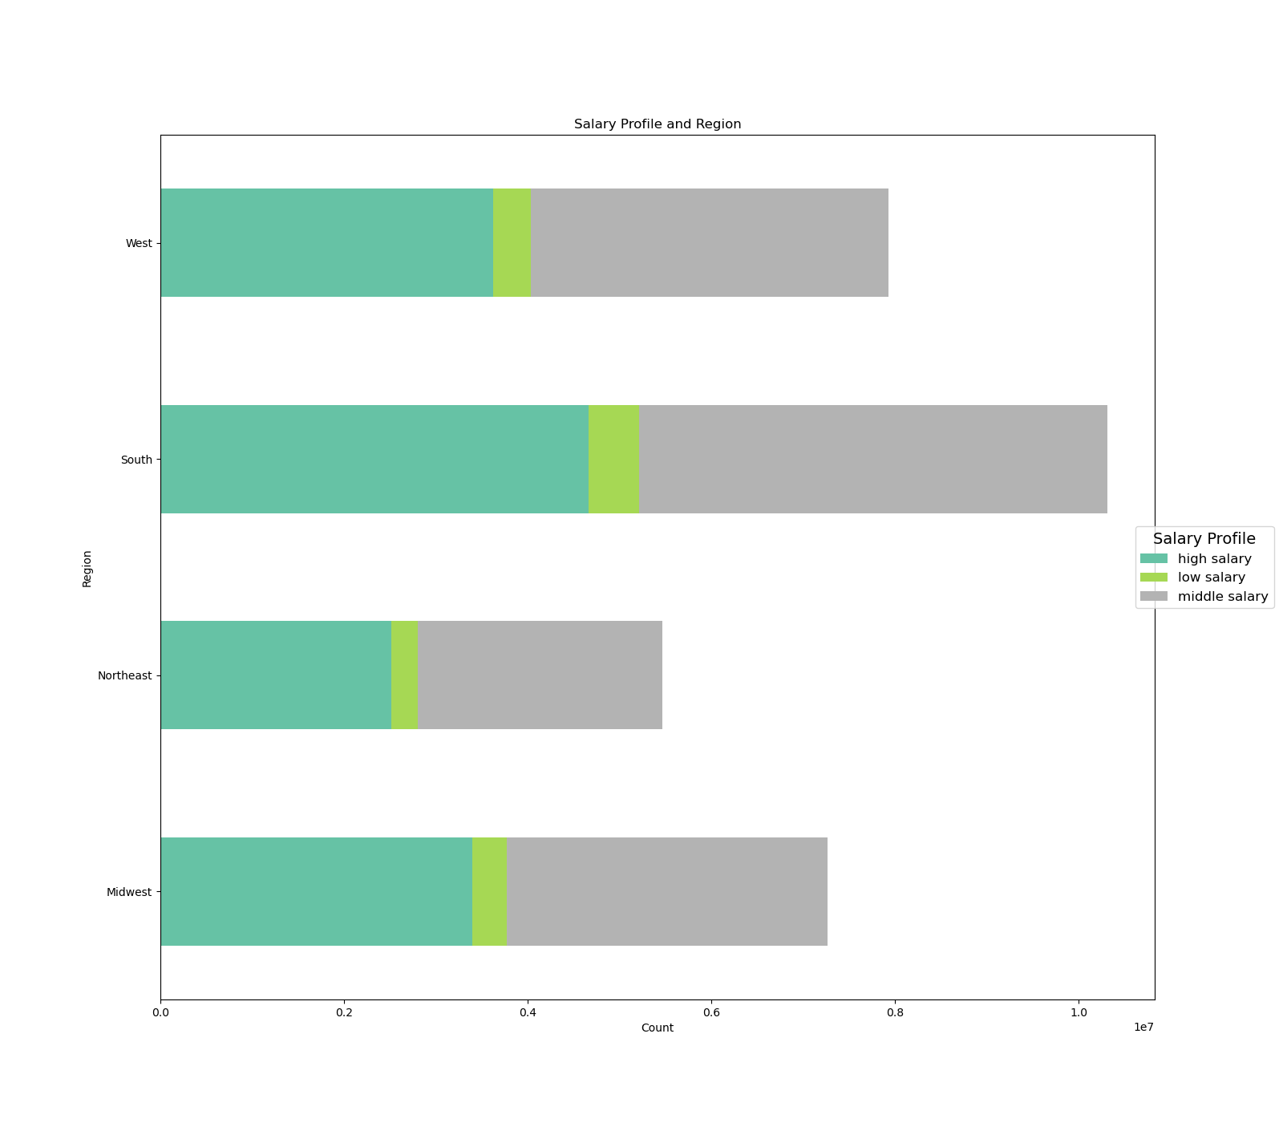

Different behaviors across regions and departments based of customer profiles
 |  |  |  | Salary_Profile | high salary | low salary | middle salary
 |  |  |  | region
 |  |  |  | Midwest | 3400093 | 373583 | 3487837
 |  |  |  | Northeast | 2516484 | 283124 | 2665077
 |  |  |  | South | 4663571 | 552104 | 5095464
 |  |  |  | West | 3626880 | 403214 | 3897133

4.10 Part 1 Question 8

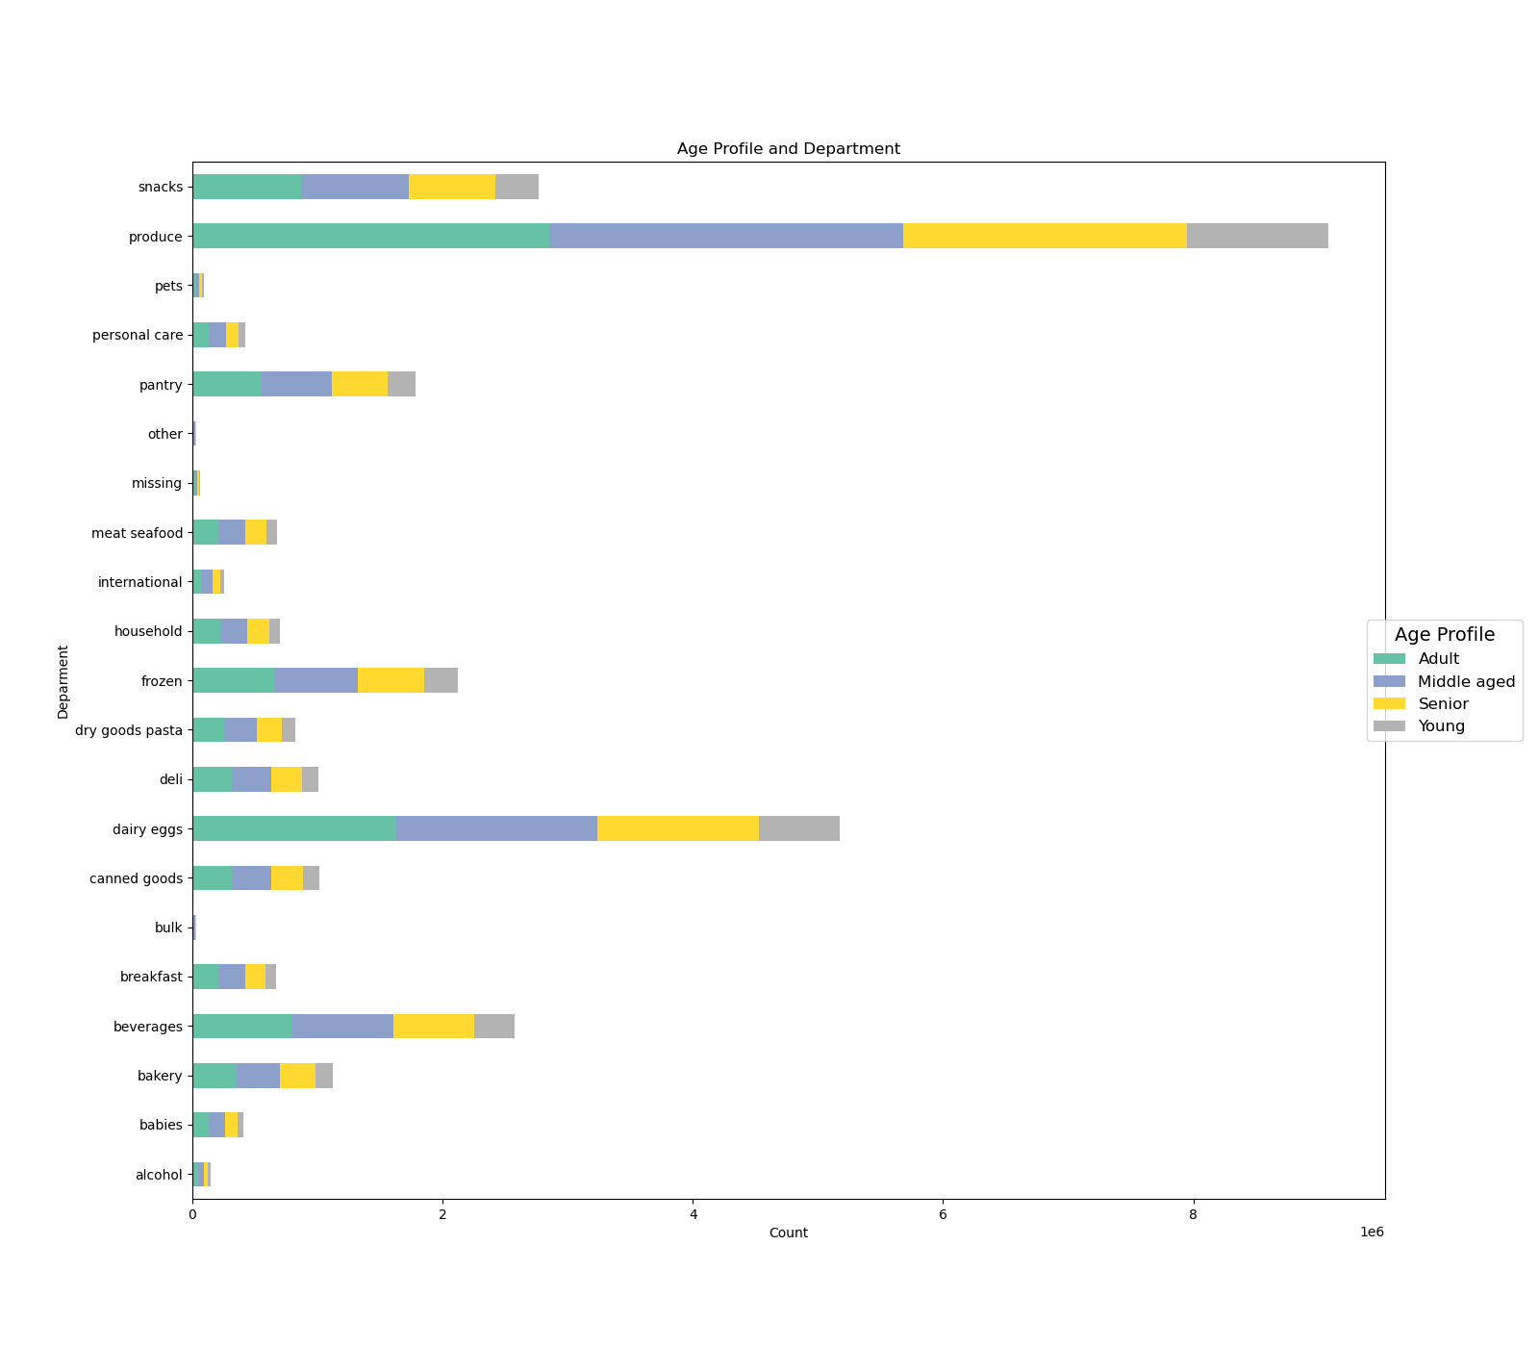

Different behaviors across regions and departments based of customer profiles
 |  |  |  | Age_Profile | Adult | Middle aged | Senior | Young
 |  |  |  | department
 |  |  |  | alcohol | 45481 | 45267 | 34691 | 19188
 |  |  |  | babies | 130299 | 128697 | 100162 | 51234
 |  |  |  | bakery | 352102 | 350395 | 278458 | 139873
 |  |  |  | beverages | 797642 | 809502 | 646414 | 318343
 |  |  |  | breakfast | 209410 | 210472 | 165491 | 85477
 |  |  |  | bulk | 10421 | 10388 | 8336 | 4306
 |  |  |  | canned goods | 317972 | 315850 | 251940 | 126312
 |  |  |  | dairy eggs | 1630318 | 1608332 | 1291039 | 647493
 |  |  |  | deli | 315618 | 313198 | 250463 | 124555
 |  |  |  | dry goods pasta | 256409 | 256056 | 205473 | 104198
 |  |  |  | frozen | 658730 | 664581 | 532530 | 265890
 |  |  |  | household | 219185 | 217431 | 176427 | 86814
 |  |  |  | international | 80660 | 79730 | 63227 | 32374
 |  |  |  | meat seafood | 209741 | 209687 | 170773 | 84580
 |  |  |  | missing | 20172 | 20308 | 15905 | 8383
 |  |  |  | other | 10820 | 10785 | 8350 | 4456
 |  |  |  | pantry | 556986 | 558459 | 445174 | 222086
 |  |  |  | personal care | 132526 | 134113 | 104671 | 52996
 |  |  |  | pets | 28467 | 28224 | 23751 | 12618
 |  |  |  | produce | 2851727 | 2830735 | 2269085 | 1127726
 |  |  |  | snacks | 867853 | 864463 | 688474 | 345616

4.10 Part 1 Question 8

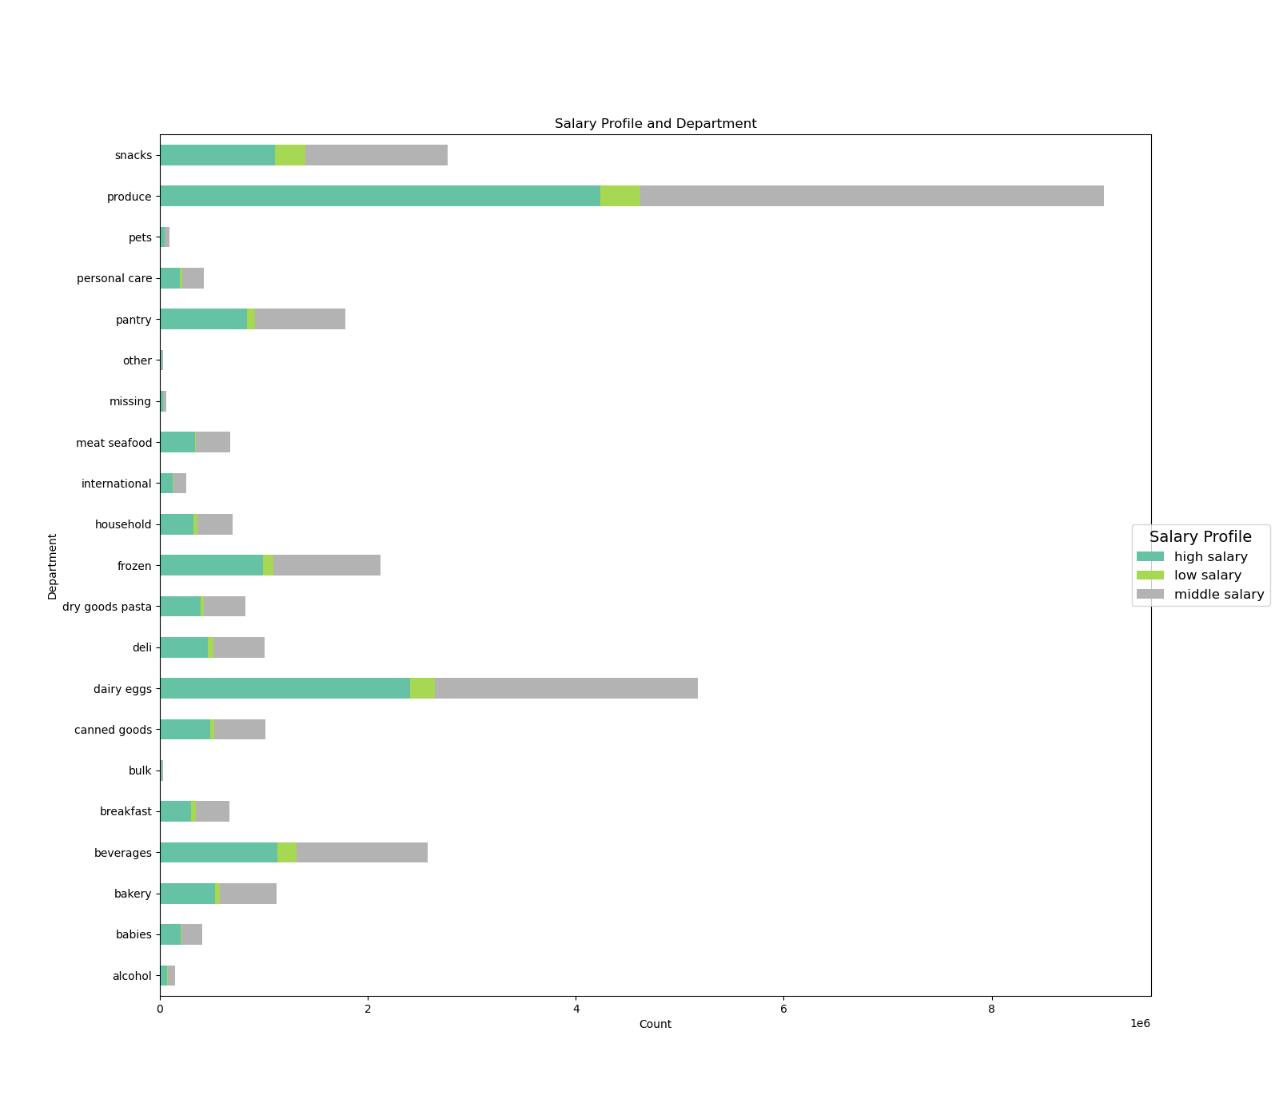

 |  |  |  | Salary_Profile | high salary | low salary | middle salary
 |  |  |  | department
 |  |  |  | alcohol | 69142 | 8718 | 66767
 |  |  |  | babies | 196696 | 12547 | 201149
Different behaviors across regions and departments based of customer profiles
 |  |  |  | bakery | 527703 | 49409 | 543716
 |  |  |  | beverages | 1126437 | 191662 | 1253802
 |  |  |  | breakfast | 297594 | 46066 | 327190
 |  |  |  | bulk | 14218 | 2247 | 16986
 |  |  |  | canned goods | 485226 | 34946 | 491902
 |  |  |  | dairy eggs | 2406160 | 235552 | 2535470
 |  |  |  | deli | 462089 | 51355 | 490390
 |  |  |  | dry goods pasta | 392709 | 29283 | 400144
 |  |  |  | frozen | 988452 | 102375 | 1030904
 |  |  |  | household | 319958 | 42766 | 337133
 |  |  |  | international | 119987 | 9997 | 126007
 |  |  |  | meat seafood | 335535 | 12907 | 326339
 |  |  |  | missing | 29452 | 3121 | 32195
 |  |  |  | other | 15749 | 1990 | 16672
 |  |  |  | pantry | 839920 | 77129 | 865656
 |  |  |  | personal care | 193412 | 22823 | 208071
 |  |  |  | pets | 45089 | 4421 | 43550
 |  |  |  | produce | 4236921 | 380567 | 4461785
 |  |  |  | snacks | 1104579 | 292144 | 1369683

4.10 Part 1 Question 8

8. Recommendations
 |  |  | Title page

Recommendations

Question | Method used | Answer
The sales team needs to know what the busiest days of the week and hours of the day are (i.e., the days and times with the most orders) in order to schedule ads at times when there are fewer orders. | I used df_ords.groupby(['order_dow']).user_id.nunique() | 0 or Saturday
They also want to know whether there are particular times of the day when people spend the most money, as this might inform the type of products they advertise at these times. | I used df['order_hour_of_day'].plot.hist(bins = 24) | 10:00:00
Instacart has a lot of products with different price tags. Marketing and sales want to use simpler price range groupings to help direct their efforts. | I created a price_range flag using: 'if row['prices'] <= 5: return 'Low-range product' elif (row['prices'] > 5) and (row['prices'] <= 15): return 'Mid-range product' elif row['prices'] > 15: return 'High range' else: return 'Not enough data' | There are now three different price range for easier lookup
Are there certain types of products that are more popular than others? The marketing and sales teams want to know which departments have the highest frequency of product orders. | With the Age Profile and Department is posible to observe which products are more popular tan othes | Produce is the most popular product

